OLD Summary
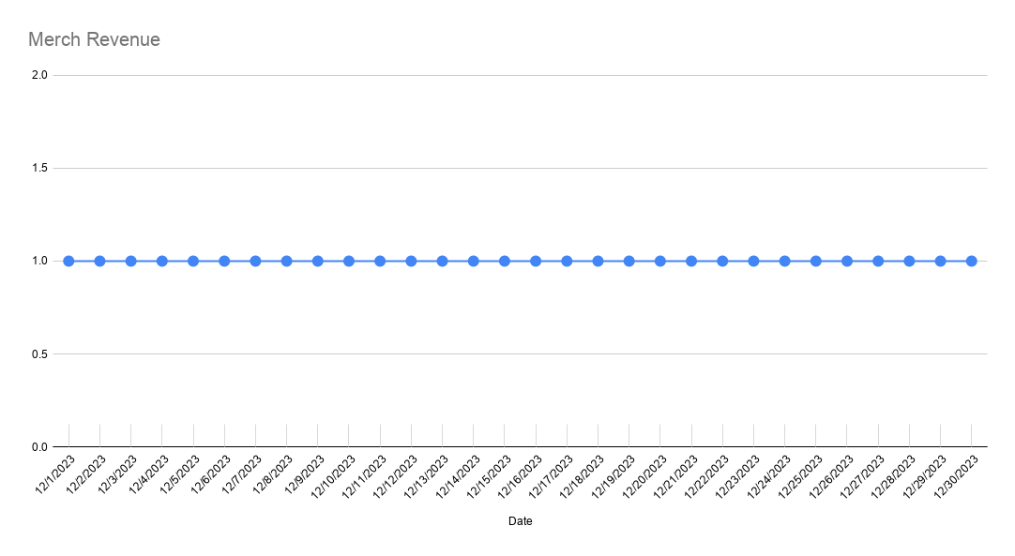
2023-12-01 | 12/1/2023 | 12/2/2023 | 12/3/2023 | 12/4/2023 | 12/5/2023 | 12/6/2023 | 12/7/2023 | 12/8/2023 | 12/9/2023 | 12/10/2023 | 12/11/2023 | 12/12/2023 | 12/13/2023 | 12/14/2023 | 12/15/2023 | 12/16/2023 | 12/17/2023 | 12/18/2023 | 12/19/2023 | 12/20/2023 | 12/21/2023 | 12/22/2023 | 12/23/2023 | 12/24/2023 | 12/25/2023 | 12/26/2023 | 12/27/2023 | 12/28/2023 | 12/29/2023 | 12/30/2023 | 12/31/2023
 | FRI | SAT | SUN | MON | TUE | WED | THU | FRI | SAT | SUN | MON | TUE | WED | THU | FRI | SAT | SUN | MON | TUE | WED | THU | FRI | SAT | SUN | MON | TUE | WED | THU | FRI | SAT | SUN
Weekend Work |  | Peco | Peco |  |  |  |  |  | Peco | Peco |  |  |  |  | Peco | Peco | Peco |  |  |  |  |  | Peco | Peco | Peco | Peco |  |  | Peter | Peter | Peter
Notes | Christmas Sale (-20%)
 |  |  |  |  | 10:29 Yellow preferred version & blue version +$10 |  | 10.30 Blue version additional +$10 & SKU 1+SKU 5 combination active | Blue version additional $20 from 17:47 |  | Featured on CBS Sunday Morning | Blue BB out of stock at 14:25 SKU 3 live at 10:15 / Christmas Email Offer |  | 16:05 changed US & Canada to expedited shipping, order #119304 16:06 +$20 on Bird Buddy Yellow units | 9:23 - SKU3 & Pro Bundle Blue out of Stock 14:22 Pricing change on Yellow BBs (original prices, Wall Mount & 3-in-1 increase by $10), only pro bundle -20% 15:40 Amazon button on Smart bird feeder with solar roof | 13:20 SKU2 +$10 ($249) SKU4 +$10 ($309) Solar Roof +$10 ($99) Wall Mount +$10 (49) Pro bundle $327 (20% off) Shipping US +$10 ($45) Add-on Shop - Yellow default |  |  |  |  | 16:32 - SKU2 - $10 down ($239), SKU4 $10 down ($299), Pro bundle ($317) | 14:12 - Blue & Yellow Pro Bundle $329 (added Suet Ball Holder, and +$1 per item for Wall Mount and 3-in-1), Suet Ball Holder back in stock for $24. Wall Mount price down to $39 (-$10). |  |  |  |  |  |  |  | 11:35 - Yellow Pro added perch extender (price goes up for $31 to $360), perch extended is back on stock | Twitter traffic spike
 |  |  |  |  |  |  |  |  |  |  | SKU3 price increased to $349 at 11.00

DTC Revenue | $182,768.19 | $239,740.61 | $309,347.58 | $305,301.52 | $298,114.36 | $317,223.83 | $322,596.91 | $344,395.45 | $351,653.41 | $535,464.96 | $497,925.43 | $434,520.58 | $370,511.62 | $278,943.97 | $226,551.54 | $190,597.25 | $130,002.06 | $149,781.34 | $139,280.82 | $105,270.49 | $51,466.43 | $44,446.00 | $30,835.43 | $28,013.35 | $46,187.90 | $36,471.13 | $30,795.96 | $30,010.78 | $34,239.30 | $43,921.59 | $41,832.91
Amazon Revenue | $239.00 | $0.00 | $239.00 | $299.00 | $0.00 | $239.00 | $0.00 | $0.00 | $5,768.00 | $11,989.00 | $1,326.00 | $2,053.00 | $1,954.00 | $34,227.86 | $5,544.82 | $127,117.78 | $224,758.56 | $209,140.07 | $117,053.13 | $67,293.78 | $49,546.36 | $46,242.49 | $42,177.68 | $24,710.24 | $15,938.00 | $18,460.00 | $9,039.00 | $10,768.75 | $7,145.00 | $9,972.00 | $8,822.31
Digital Marketplaces Revenue | $2,694.94 | $0.00 | $2,367.97 | $921.99 | $582.99 | $770.00 | $1,806.00 | $4,952.97 | $1,362.96 | $2,810.96 | $1,749.98 | $34,065.91 | $2,850.96 | $214.00 | $698.00 | $1,880.97 | $2,238.96 | $898.98 | $882.98 | $204.00 | $566.00 | $0.00 | $1,484.00 | $981.00 | $0.00 | $1,468.00 | $418.00 | $2,607.00 | $0.00 | $1,830.00 | $0.00
Total Revenue | $185,702.13 | $239,740.61 | $311,954.55 | $306,522.51 | $298,697.35 | $318,232.83 | $324,402.91 | $349,348.42 | $358,784.37 | $550,264.92 | $501,001.41 | $470,639.49 | $375,316.58 | $313,385.83 | $232,794.36 | $319,596.00 | $356,999.58 | $359,820.39 | $257,216.93 | $172,768.27 | $101,578.79 | $90,688.49 | $74,497.11 | $53,704.59 | $62,125.90 | $56,399.13 | $40,252.96 | $43,386.53 | $41,384.30 | $55,723.59 | $50,655.22

B2B Revenue
Best Buy | $21,396.76 | $24,580.96 | $36,712.76 | $31,395.15 | $35,439.08 | $40,246.17 | $38,463.01 | $43,812.47 | $50,212.71 | $95,470.81 | $87,116.53 | $84,059.70 | $55,480.44 | $46,160.29 | $58,545.76 | $66,643.18 | $39,473.47 | $9,247.98 | $7,451.03 | $3,948.41 | $5,572.35 | $2,929.46 | $2,802.10 | $3,789.20 | $1,719.47 | $0.00 | $1,655.78 | $0.00 | $2,006.05 | $0.00 | $4,107.62
Total Revenue | $21,396.76 | $24,580.96 | $36,712.76 | $31,395.15 | $35,439.08 | $40,246.17 | $38,463.01 | $43,812.47 | $50,212.71 | $95,470.81 | $87,116.53 | $84,059.70 | $55,480.44 | $46,160.29 | $58,545.76 | $66,643.18 | $39,473.47 | $9,247.98 | $7,451.03 | $3,948.41 | $5,572.35 | $2,929.46 | $2,802.10 | $3,789.20 | $1,719.47 | $0.00 | $1,655.78 | $0.00 | $2,006.05 | $0.00 | $4,107.62

App Revenue
Total Revenue | $1,947.25 | $2,656.14 | $2,117.65 | $1,392.92 | $1,271.71 | $1,516.03 | $1,561.23 | $1,975.32 | $2,217.16 | $2,785.05 | $1,375.31 | $1,307.68 | $933.56 | $1,006.69 | $1,416.39 | $2,410.85 | $2,577.08 | $1,202.08 | $1,484.98 | $1,146.06 | $2,372.91 | $3,219.03 | $5,876.59 | $8,049.30 | $35,027.38 | $33,301.33 | $19,152.71 | $13,518.70 | $11,208.44 | $14,201.99 | $12,518.62

DTC Orders | 660 | 896 | 1136 | 1126 | 1163 | 1,205 | 1,190 | 1,260 | 1,278 | 1,894 | 1,857 | 1,617 | 1,320 | 897 | 677 | 570 | 397 | 454 | 412 | 342 | 179 | 156 | 116 | 118 | 248 | 234 | 191 | 187 | 214 | 231 | 196
- Hardware (units sold) | 631 | 844 | 1107 | 1107 | 1062 | 1134 | 1138 | 1198 | 1211 | 1819 | 1717 | 1525 | 1237 | 834 | 626 | 506 | 350 | 402 | 378 | 304 | 156 | 131 | 91 | 79 | 114 | 72 | 67 | 64 | 71 | 105 | 101
- Add-ons (units sold) | 390 | 517 | 626 | 579 | 539 | 635 | 789 | 909 | 973 | 1597 | 1238 | 858 | 694 | 549 | 505 | 427 | 313 | 307 | 290 | 242 | 164 | 155 | 118 | 126 | 285 | 334 | 245 | 252 | 300 | 285 | 303
- Merch (units sold) | 397 | 580 | 745 | 703 | 718 | 657 | 248 | 31 | 30 | 33 | 37 | 35 | 27 | 18 | 20 | 14 | 10 | 16 | 7 | 13 | 4 | 4 | 2 | 2 | 6 | 6 | 3 | 2 | 3 | 2 | 2
Amazon Orders | 1 | 0 | 0 | 1 | 0 | 1 | 0 | 0 | 26 | 43 | 8 | 7 | 8 | 114 | 25 | 433 | 782 | 718 | 428 | 246 | 180 | 166 | 159 | 105 | 150 | 146 | 91 | 37 | 23 | 37 | 27
- Hardware (units sold) | 1 | 0 | 1 | 1 | 0 | 1 | 0 | 0 | 23 | 42 | 9 | 6 | 8 | 117 | 20 | 423 | 742 | 693 | 398 | 223 | 169 | 156 | 140 | 83 | 71 | 56 | 24
- Add-ons (units sold) | 0 | 0 | 0 | 0 | 0 | 0 | 0 | 0 | 3 | 1 | 0 | 1 | 0 | 1 | 5 | 18 | 53 | 43 | 34 | 25 | 12 | 15 | 23 | 24 | 79 | 91 | 67
Digital Marketplaces Orders | 8 | 0 | 6 | 4 | 2 | 3 | 8 | 20 | 5 | 8 | 7 | 112 | 8 | 1 | 1 | 5 | 5 | 3 | 3 | 1 | 2 | 0 | 4 | 2 | 0 | 4 | 2 | 5 | 0 | 5 | 0
Total Orders | 669 | 896 | 1,142 | 1,131 | 1,165 | 1,209 | 1,198 | 1,280 | 1,309 | 1,945 | 1,872 | 1,736 | 1,336 | 1,012 | 703 | 1,008 | 1,184 | 1,175 | 843 | 589 | 361 | 322 | 279 | 225 | 398 | 384 | 284 | 229 | 237 | 273 | 223

B2B Orders
- Best Buy | 84 | 96 | 143 | 123 | 139 | 158 | 151 | 172 | 197 | 375 | 342 | 330 | 204 | 144 | 208 | 240 | 145 | 34 | 28 | 15 | 20 | 11 | 9 | 14 | 6 | 0 | 2 | 0 | 4 | 0 | 12
Total Orders | 84 | 96 | 143 | 123 | 139 | 158 | 151 | 172 | 197 | 375 | 342 | 330 | 204 | 144 | 208 | 240 | 145 | 34 | 28 | 15 | 20 | 11 | 9 | 14 | 6 | 0 | 2 | 0 | 4 | 0 | 12

App Orders
Total Orders | 83 | 113 | 104 | 68 | 70 | 74 | 76 | 96 | 105 | 117 | 58 | 62 | 47 | 55 | 69 | 109 | 104 | 65 | 71 | 59 | 100 | 134 | 213 | 296 | 1255 | 1189 | 689 | 525 | 418 | 514 | 423
Meta Spend EUR | 19,987.92 | 29,066.93 | 48,955.56 | 59,442.98 | 53,746.38 | 57,183.02 | 63,887.80 | 55,781.07 | 48,401.07 | 61,953.95 | 64,827.91 | 66,227.83 | 56,020.44 | 39,178.80 | 36,136.30 | 29,795.19 | 26,311.28 | 24,355.67 | 24,457.21 | 21,835.81 | 19,641.74 | 8,907.70 | 3,852.02 | 4,199.25 | 3,733.56 | 4,236.78 | 4,265.25 | 4,740.05 | 5,043.11 | 5,072.63 | 5,376.15
Meta Spend | $21,772.84 | $31,642.26 | $53,297.92 | $64,412.41 | $58,008.47 | $61,557.52 | $68,941.32 | $60,098.52 | $52,147.31 | $66,693.43 | $69,780.76 | $71,519.43 | $60,972.65 | $43,073.17 | $39,413.86 | $32,503.57 | $28,666.14 | $26,603.70 | $26,856.46 | $23,894.93 | $21,617.70 | $9,821.63 | $4,247.24 | $4,629.67 | $4,114.01 | $4,678.25 | $4,737.84 | $5,245.81 | $5,575.16 | $5,607.79 | $5,934.19
Google Spend | $5,447.08 | $5,717.82 | $5,852.64 | $6,168.03 | $7,755.94 | $12,282.57 | $15,666.65 | $20,469.00 | $20,366.77 | $17,166.67 | $16,563.17 | $15,755.02 | $14,856.16 | $16,720.89 | $14,270.56 | $10,953.28 | $10,047.78 | $8,975.68 | $9,820.89 | $9,843.64 | $6,432.76 | $6,633.97 | $5,721.33 | $5,604.11 | $7,159.58 | $2,731.87 | $2,427.83 | $1,957.60 | $2,103.31 | $2,706.23 | $2,034.48
Bing Spend | $315.10 | $266.17 | $288.53 | $311.83 | $307.19 | $1,035.45 | $1,061.59 | $1,086.12 | $1,092.08 | $1,087.96 | $1,095.88 | $1,089.86 | $1,086.94 | $932.03 | $909.64 | $399.53 | $431.85 | $791.56 | $934.30 | $1,168.87 | $1,134.17 | $849.96 | $523.85 | $431.27 | $1,131.11 | $1,498.04 | $535.28 | $300.48 | $207.52 | $209.57 | $181.91
TikTok Spend | $0.00 | $0.00 | $0.00 | $0.00 | $0.00 | $0.00 | $0.00 | $0.00 | $0.00 | $0.00 | $0.00 | $0.00 | $875.50 | $1,856.35 | $1,770.38 | $1,496.42 | $1,503.62 | $684.27 | $0.00 | $0.00 | $0.00 | $0.00 | $0.00 | $0.00 | $0.00 | $0.00 | $0.00 | $0.00 | $0.00 | $0.00 | $0.00
Amazon Spend | $0.00 | $0.00 | $0.00 | $0.00 | $0.00 | $0.00 | $0.00 | $0.00 | $2,671.81 | $4,133.90 | $2,423.84 | $211.46 | $0.00 | $5,347.85 | $12,240.27 | $22,215.58 | $27,930.19 | $21,925.52 | $20,231.10 | $17,405.64 | $13,665.21 | $9,313.72 | $8,206.83 | $7,390.52 | $3,203.85 | $7,333.15 | $3,045.36 | $3,504.59 | $2,492.21 | $4,029.80 | $2,268.23
Nextdoor Spend | $0.00 | $0.00 | $0.00 | $0.00 | $0.00 | $0.00 | $0.00 | $0.00 | $0.00 | $0.00 | $0.00 | $0.00 | $0.00 | $0.00 | $0.00 | $0.00 | $0.00 | $0.00 | $0.00 | $0.00 | $0.00 | $0.00 | $0.00 | $0.00 | $0.00 | $0.00 | $0.00 | $0.00 | $0.00 | $0.00 | $0.00
IndieGoGo Spend | $0.00 | $0.00 | $0.00 | $0.00 | $0.00 | $0.00 | $0.00 | $0.00 | $0.00 | $0.00 | $0.00 | $0.00 | $0.00 | $0.00 | $0.00 | $0.00 | $0.00 | $0.00 | $0.00 | $0.00 | $0.00 | $0.00 | $0.00 | $0.00 | $0.00 | $0.00 | $0.00 | $0.00 | $0.00 | $0.00 | $0.00
Affiliate Fees | $0.00 | $0.00 | $69.50 | $110.85 | $35.97 | $0.00 | $0.00 | $0.00 | $0.00 | $57.59 | $0.00 | $109.98 | $92.50 | $68.50 | $0.00 | $79.64 | $0.00 | $0.00 | $57.66 | $0.00 | $0.00 | $0.00 | $0.00 | $0.00 | $0.00 | $0.00 | $0.00 | $64.83 | $0.00 | $0.00 | $93.85
Rachio Fees | $359.99 | $0.00 | $179.99 | $60.00 | $60.00 | $0.00 | $0.00 | $179.99 | $215.99 | $399.99 | $120.00 | $6,467.78 | $399.99 | $0.00 | $0.00 | $179.99 | $399.99 | $120.00 | $120.00 | $0.00 | $0.00 | $0.00 | $0.00 | $0.00 | $0.00 | $0.00 | $0.00 | $0.00 | $0.00 | $0.00 | $0.00
Weatherflow Fees | $0.00 | $0.00 | $0.00 | $0.00 | $0.00 | $0.00 | $167.25 | $561.60 | $0.00 | $29.85 | $29.85 | $167.25 | $95.55 | $0.00 | $0.00 | $0.00 | $35.85 | $0.00 | $0.00 | $0.00 | $0.00 | $0.00 | $0.00 | $0.00 | $0.00 | $0.00 | $0.00 | $0.00 | $0.00 | $0.00 | $0.00
Total DTC Spend | $27,535.02 | $37,626.25 | $59,508.59 | $71,003.12 | $66,107.57 | $74,875.54 | $85,669.56 | $81,653.64 | $73,606.16 | $85,005.65 | $87,439.81 | $88,474.29 | $77,883.75 | $62,650.94 | $56,364.44 | $45,432.44 | $40,649.39 | $37,055.21 | $37,669.31 | $34,907.44 | $29,184.63 | $17,305.56 | $10,492.42 | $10,665.05 | $12,404.70 | $8,908.16 | $7,700.95 | $7,568.72 | $7,885.99 | $8,523.59 | $8,244.43
Total Spend | $27,895.01 | $37,626.25 | $59,688.58 | $71,063.12 | $66,167.57 | $74,875.54 | $85,836.81 | $82,395.24 | $76,493.96 | $89,569.39 | $90,013.50 | $95,320.79 | $78,379.29 | $67,998.79 | $68,604.71 | $67,828.02 | $69,015.42 | $59,100.72 | $58,020.41 | $52,313.08 | $42,849.84 | $26,619.28 | $18,699.25 | $18,055.57 | $15,608.55 | $16,241.31 | $10,746.31 | $11,073.31 | $10,378.20 | $12,553.39 | $10,512.66

App Spend
Meta Spend
Apple Spend | $14.90 | $19.59 | $28.73 | $17.62 | $15.45 | $11.97 | $11.38 | $17.66 | $25.97 | $27.57 | $32.15 | $15.13 | $24.05 | $26.70 | $27.03 | $39.16 | $63.07 | $31.66 | $46.99 | $44.70 | $51.41 | $51.47 | $70.06 | $120.85 | $14.72 | $0.00 | $0.00 | $0.00 | $120.35 | $120.84 | $121.62
Total APP Spend | $14.90 | $19.59 | $28.73 | $17.62 | $15.45 | $11.97 | $11.38 | $17.66 | $25.97 | $27.57 | $32.15 | $15.13 | $24.05 | $26.70 | $27.03 | $39.16 | $63.07 | $31.66 | $46.99 | $44.70 | $51.41 | $51.47 | $70.06 | $120.85 | $14.72 | $0.00 | $0.00 | $0.00 | $120.35 | $120.84 | $121.62

Blended ROAS | 6.66 | 6.37 | 5.23 | 4.31 | 4.51 | 4.25 | 3.78 | 4.24 | 4.69 | 6.14 | 5.57 | 4.94 | 4.79 | 4.61 | 3.39 | 4.71 | 5.17 | 6.09 | 4.43 | 3.30 | 2.37 | 3.41 | 3.98 | 2.97 | 3.98 | 3.47 | 3.75 | 3.92 | 3.99 | 4.44 | 4.82
wROAS | 6.64 | 6.37 | 5.20 | 4.30 | 4.51 | 4.24 | 3.77 | 4.22 | 4.78 | 6.30 | 5.69 | 4.91 | 4.76 | 4.45 | 4.02 | 4.20 | 3.20 | 4.04 | 3.70 | 3.02 | 1.76 | 2.57 | 2.94 | 2.63 | 3.72 | 4.09 | 4.00 | 3.97 | 4.34 | 5.15 | 5.07
aROAS | #DIV/0! | #DIV/0! | #DIV/0! | #DIV/0! | #DIV/0! | #DIV/0! | #DIV/0! | #DIV/0! | 2.16 | 2.90 | 0.55 | 9.71 | #DIV/0! | 6.40 | 0.45 | 5.72 | 8.05 | 9.54 | 5.79 | 3.87 | 3.63 | 4.96 | 5.14 | 3.34 | 4.97 | 2.52 | 2.97 | 3.07 | 2.87 | 2.47 | 3.89
appROAS | 0.00 | 0.00 | 0.00 | 0.00 | 0.00 | 0.00 | 0.00 | 0.00 | 0.00 | 0.00 | 0.00 | 0.00 | 0.00 | 0.00 | 0.00 | 0.00 | 0.00 | 0.00 | 0.00 | 0.00 | 0.00 | 0.00 | 0.00 | 0.00 | 0.00 | #DIV/0! | #DIV/0! | #DIV/0! | 0.00 | 0.00 | 0.00

Blended CAC | $41.70 | $41.99 | $52.27 | $62.83 | $56.80 | $61.93 | $71.65 | $64.37 | $58.44 | $46.05 | $48.08 | $54.91 | $58.67 | $67.19 | $97.59 | $67.29 | $58.29 | $50.30 | $68.83 | $88.82 | $118.70 | $82.67 | $67.02 | $80.25 | $39.22 | $42.30 | $37.84 | $48.36 | $43.79 | $45.98 | $47.14
wCAC | $41.72 | $41.99 | $52.38 | $63.06 | $56.84 | $62.14 | $71.99 | $64.80 | $57.59 | $44.88 | $47.09 | $54.72 | $59.00 | $69.84 | $83.26 | $79.71 | $102.39 | $81.62 | $91.43 | $102.07 | $163.04 | $110.93 | $90.45 | $90.38 | $50.02 | $38.07 | $40.32 | $40.47 | $36.85 | $36.90 | $42.06
aCAC | $0.00 | #DIV/0! | #DIV/0! | $0.00 | #DIV/0! | $0.00 | #DIV/0! | #DIV/0! | $102.76 | $96.14 | $302.98 | $30.21 | $0.00 | $46.91 | $489.61 | $51.31 | $35.72 | $30.54 | $47.27 | $70.75 | $75.92 | $56.11 | $51.62 | $70.39 | $21.36 | $50.23 | $33.47 | $94.72 | $108.36 | $108.91 | $84.01
appCAC | #DIV/0! | #DIV/0! | #DIV/0! | #DIV/0! | #DIV/0! | #DIV/0! | #DIV/0! | #DIV/0! | #DIV/0! | #DIV/0! | #DIV/0! | #DIV/0! | #DIV/0! | #DIV/0! | #DIV/0! | #DIV/0! | #DIV/0! | #DIV/0! | #DIV/0! | #DIV/0! | #DIV/0! | #DIV/0! | #DIV/0! | #DIV/0! | #DIV/0! | #DIV/0! | #DIV/0! | #DIV/0! | #DIV/0! | #DIV/0! | #DIV/0!

Web CR | 2.78% | 3.18% | 2.96% | 2.79% | 3.00% | 3.06% | 3.02% | 2.83% | 2.82% | 3.39% | 3.55% | 5.45% | 3.26% | 2.94% | 3.44% | 2.44% | 1.67% | 2.32% | 2.89% | 2.25% | 1.17% | 1.29% | 0.98% | 1.07% | 1.04% | 1.01% | 1.04% | 1.14% | 1.37% | 0.56% | 0.70%
Web AOV | $276.92 | $267.57 | $272.31 | $271.14 | $256.33 | $263.26 | $271.09 | $273.33 | $275.16 | $282.72 | $268.13 | $268.72 | $280.69 | $310.97 | $334.64 | $334.38 | $327.46 | $329.91 | $338.06 | $307.81 | $287.52 | $284.91 | $265.82 | $237.40 | $186.24 | $155.86 | $161.24 | $160.49 | $160.00 | $190.14 | $213.43
fAOV | $241.88 | $236.28 | $236.46 | $236.77 | $221.49 | $235.76 | $240.77 | $244.68 | $245.21 | $251.52 | $240.29 | $240.20 | $245.47 | $262.48 | $281.11 | $279.43 | $273.14 | $272.71 | $344.69 | $311.77 | $294.47 | $292.43 | $278.15 | $250.66 | $203.25 | $161.33 | $174.21 | $164.02 | $178.70 | $195.85 | $226.34
rAOV | $177.59 | $185.28 | $201.29 | $208.05 | $187.40 | $163.35 | $201.66 | $170.30 | $190.34 | $221.57 | $181.77 | $174.06 | $196.31 | $201.33 | $223.58 | $214.22 | $198.54 | $247.87 | $235.44 | $221.44 | $181.42 | $162.12 | $168.13 | $130.31 | $111.57 | $125.75 | $94.26 | $138.58 | $95.31 | $145.07 | $136.01

Customers
Returning | 5.30% | 5.02% | 4.66% | 3.73% | 3.61% | 4.81% | 4.36% | 4.43% | 4.29% | 4.12% | 5.76% | 4.20% | 5.08% | 4.24% | 5.76% | 7.36% | 6.30% | 8.13% | 6.20% | 4.20% | 3.00% | 3.20% | 11.20% | 11.30% | 18.40% | 15.20% | 16.60% | 13.90% | 22.40% | 11.30% | 14.30%
First-time | 94.70% | 94.98% | 95.34% | 96.27% | 96.39% | 95.19% | 95.64% | 95.57% | 95.71% | 95.88% | 94.24% | 95.80% | 94.92% | 95.76% | 94.24% | 92.64% | 93.70% | 91.87% | 93.80% | 95.80% | 97.00% | 96.80% | 88.80% | 88.70% | 81.60% | 84.80% | 83.40% | 86.10% | 77.60% | 88.70% | 85.70%

 | 2023-12-01 | Goal | % of Goal
Revenue | $7,275,533.30 | $4,600,000 | 158.16%
Spend | $1,571,558.78 | $1,150,000 | 136.66%
ROAS | 4.63 | 4.00 | 115.74%
CAC | $59.04
CR | 2.88%
AOV | $273.34
fAOV | $243.92
rAOV | $177.09
Orders | 26,617
Units Sold | 23,484 | 17,293 | 135.80%
CAC per Unit | $66.92
First-time customers | 92.18%
Returning customers | 7.82%

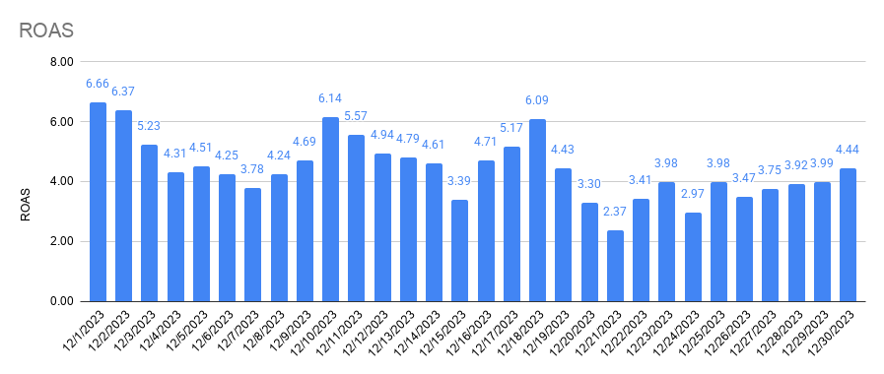
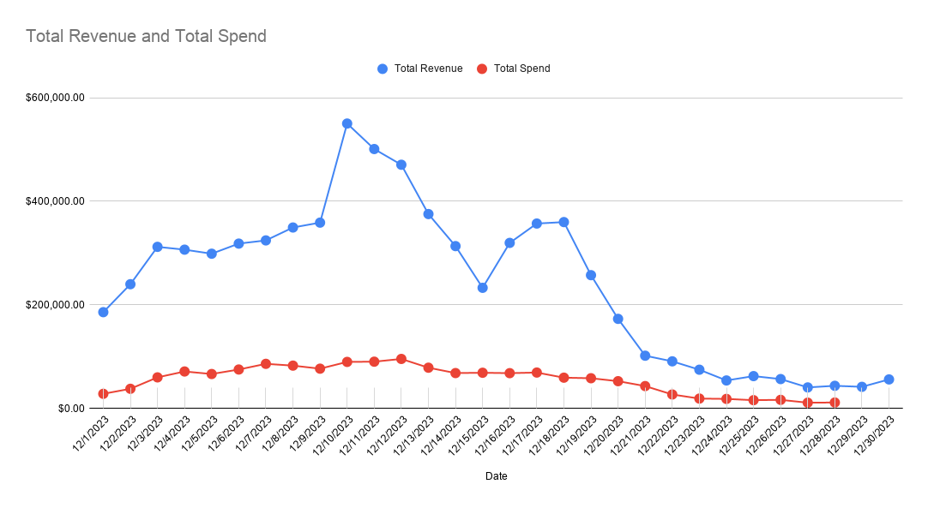

Total Revenue and Total Spend

D2C Performance

Returning and First-time Customers

Amazon Performance

